Haber-Bosch
Electricity consumption
Source: | Heat integration and part-load performance of an SOEC-coupled Haber–Bosch process
DOI: | https://doi.org/10.1016/j.ijhydene.2025.02.335

 | Graph deciphering
 | GJ | 10 |  |  |  |  |  |  | Full load specifications - Haber Bosch
 | cm | 20 |  |  |  |  |  |  | Type | Value | Unit | Molar Mass | Value_2 | Unit_2
 | GJ/cm | 0.5 |  |  |  |  |  |  | H2 | 2.79 | kg/s | 1.01 | 1.38 | kmol/s
LF | LF | cm | GJ/t | MWh/t | MWh | slope | intercept |  | N2 | 12.91 | kg/s | 14.01 | 0.46 | kmol/s
0.107 | 10.7 | 29 | 14.5 | 4.03 | 0.43097222222 | 0.22966269841 | 0.40639831349 | 1 | Power | 47485.00 | kW
0.15 | 15 | 21.5 | 10.75 | 2.99 | 0.44791666667 | 0.20833333333 | 0.41666666667 | voided | NH3 | 15.70 | kg/s | 17.03 | 0.92 | kmol/s
0.2 | 20 | 16.5 | 8.25 | 2.29 | 0.45833333333 | 0.10195035461 | 0.43794326241 | voided
0.247 | 24.7 | 13.5 | 6.75 | 1.88 | 0.463125 | 0.53852201258 | 0.33011006289 | 1
0.3 | 30 | 11.8 | 5.9 | 1.64 | 0.49166666667 | 0.77083333333 | 0.26041666667 | 1 | Rate | 5.63 | kgNH3/kgH2
0.4 | 40 | 10 | 5 | 1.39 | 0.55555555556 | 0.90277777778 | 0.19444444444 | voided | elec_cons | 0.84 | kWh/kgNH3
0.5 | 50 | 9.3 | 4.65 | 1.29 | 0.64583333333 | 0.81018518519 | 0.24074074074 | 1
0.65 | 65 | 8.5 | 4.25 | 1.18 | 0.76736111111 | 1.0615079365 | 0.077380952381 | 1
1 | 100 | 8.2 | 4.1 | 1.14 | 1.1388888889 |  |  |  | Full load specifications - ASU
 |  |  |  |  |  |  |  | *Voided due to non-concavity - see graph | Type | Value | Unit
 |  |  |  |  |  |  |  |  | Air | 17.09 | kg/s
 |  |  |  |  |  |  |  |  | Power | 4880.00 | kW
 |  |  |  |  |  |  |  |  | N2 | 12.91 | kg/s
 |  |  |  |  |  |  |  |  | O2 | 3.96 | kg/s
 |  |  |  |  |  |  |  |  | Ar | 0.23 | kg/s

 |  |  |  |  |  |  |  |  | Rate | 0.76 | kgN2/kgAir
 |  |  |  |  |  |  |  |  | elec_cons | 0.11 | kWh/kgN2

 |  |  |  |  |  |  |  |  | 7.3333333333 | MWh/tNH3 |  | 0.70454545455
 |  |  |  |  |  |  |  |  | 53.4 | MWh/tH2
 |  |  |  |  |  |  |  |  | 5.5 | tNH3/tH2 |  | 0.45484860611
 |  |  |  |  |  |  |  |  | 1.65 | MWh/tNH3
 |  |  |  |  |  |  |  |  | 11.359090909 |  | 40.892727273

H2 Storage
Source: | Optimal day-ahead dispatch of an alkaline electrolyser system concerning thermal–electric properties and state-transitional dynamics
DOI: | https://doi.org/10.1016/j.ijhydene.2025.02.335

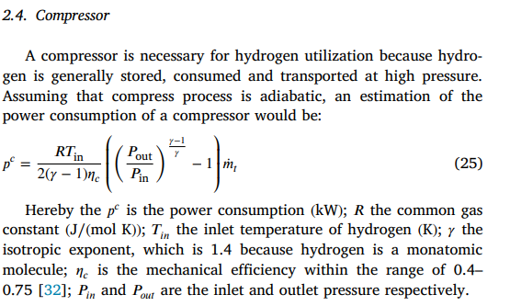
efficiency formula

R | 8.314 | J/(mol K)
T | 363.15 | K
gamma | 1.4
eta_c | 0.75
P_out | 100 | bar
P_in | 30 | bar

Efficiency | 2065.9964535 | MWh/t

